Gestures
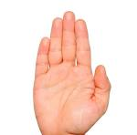
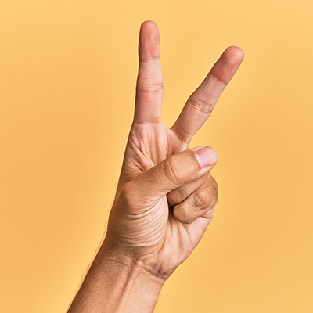
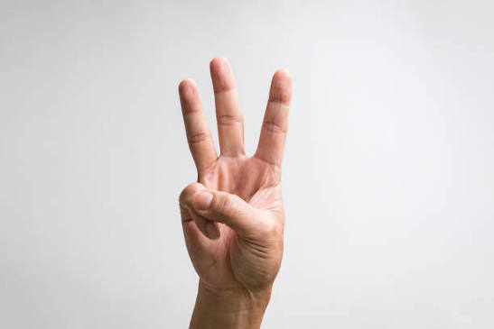
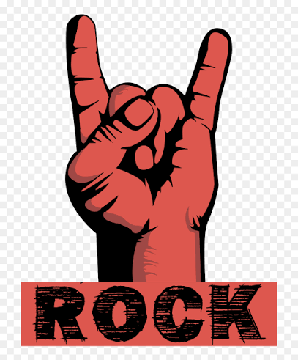
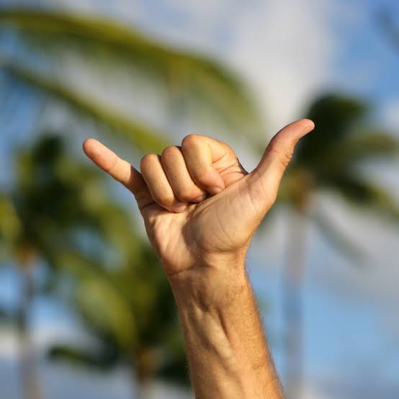
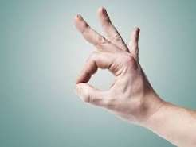
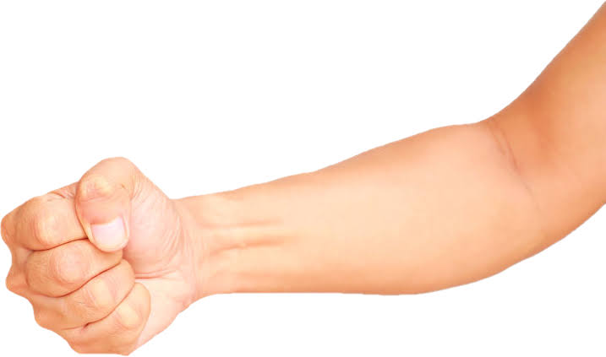
Gesture | Hand shape | Robot does
Fist | All four fingers curled, thumb anywhere | Push-ups, with a rep counter
Open palm | All four fingers straight up | Scanning codebase
Pointing | Index up, the rest curled | Running
Peace sign | Index and middle up, ring and pinky curled | Deploying build
Three fingers | Index, middle and ring up, pinky curled | Power stance (hands on hips)
Rock horns | Index and pinky up, middle and ring curled | Migrating memory
Shaka ("hang loose") | Thumb and pinky out, the other three curled | Auto mode
OK sign | Thumb and index tips touching, middle finger straight | Compiling
Anything else | Any hand shape not listed above | Manual control (fingers drive limbs directly)

